PICK Chart Template
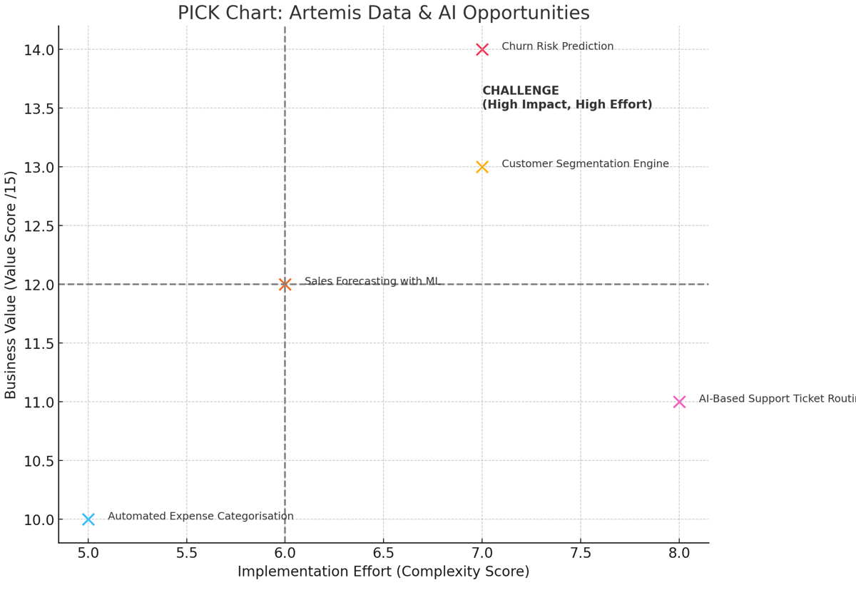
PICK Model – Data & AI Initiative Prioritisation
 | Low Effort / Easy to Implement | High Effort / Complex to Implement
High Business Value | ✅ Implement Quick wins worth pursuing immediately. Low complexity, high return. | 🔍 Challenge Strategic initiatives with big impact but require more resources, planning or capability uplift.
Low Business Value | 🤔 Pursue Selectively Low-cost initiatives that may support incremental improvements or learning. | ❌ Kill or Park Expensive initiatives with little proven benefit. Not worth further investment.

